Application Screen
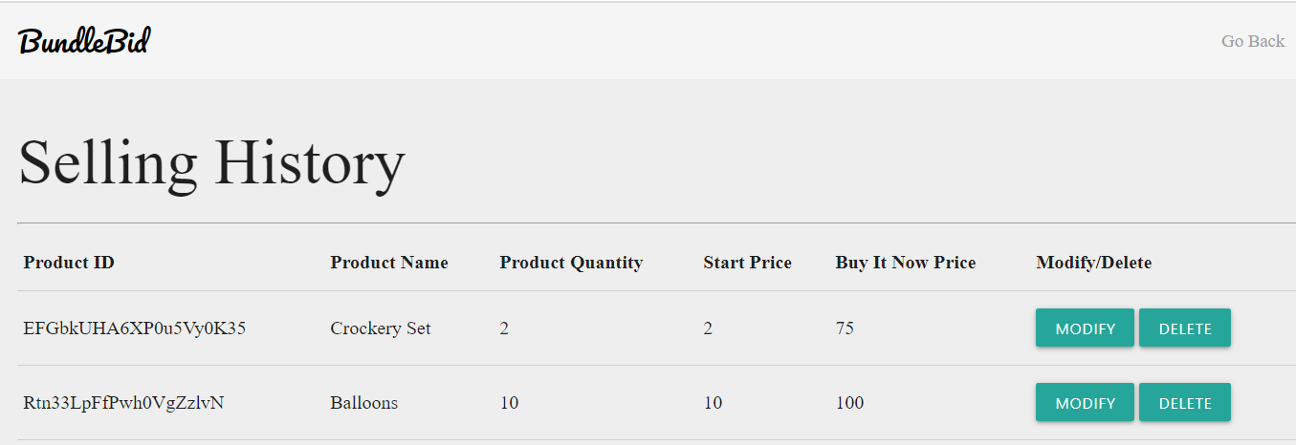

Test Case 2
Data Flow Out
TC Title: | TC02.Deleting Product - Data Flow Out + Core Functionality Testing

TC Objective: | Ensure that deleted product should not appear on homepage.

Registered
Wholesaler
Delete
Product
01.03 Deleting
Product
Update
Database
TC Description
 | Step | Step Description | Expected Results
 | 1 | Select product which you want to delete. | System should display list of all products created by user.
D
Product
 | 2 | Click on the "Delete" button. | Product should be deleted from "listing history" page as well as from database.
Deleted product
should not
appear
 | 3 | Click on go back button. | User must be redirected to Homepage of website and deleted product should not appear on homepage.

03.01 Browse
Product

